Biomass Density
 | Material ID | Density (kg/ha) | Oxy |  | AMM |  | FRP |  | DOC |  | DON |  | DOP
 |  |  | Base FSED | Const FSED | Base FSED | Const FSED | Base FSED | Const FSED | Base FSED | Const FSED | Base FSED | Const FSED | Base FSED | Const FSED | Biomass | 1 | kg WW / Ha
somehwere | 1 | 30.563 | -40 | -1.5960677778 | 3.5 | 0.33958888889 | 0.08 | 0.064521888889 | 0.1 | 0.68402904762 | 0.01 | 0.14553809524 | 0.001 | 0.027652238095 |  | 3 | g WW/ g DW
somehwere | 2 | 42.283 | -40 | -2.2081122222 | 3.5 | 0.46981111111 | 0.08 | 0.089264111111 | 0.1 | 0.94633380952 | 0.01 | 0.20134761905 | 0.001 | 0.038256047619 | B | 0.33333333333 | kg DW/Ha
tribs | 3 | 250.4587 | -30 | -13.079509889 | 3.5 | 2.7828744444 | 0.08 | 0.52874614444 | 0.1 | 5.6055042381 | 0.01 | 1.1926604762 | 0.001 | 0.22660549048 |  | 333333.33333 | mg DW/Ha
somehwere | 4 | 301.9826 | -40 | -15.770202444 | 3.5 | 3.3553622222 | 0.08 | 0.63751882222 | 0.1 | 6.7586581905 | 0.01 | 1.438012381 | 0.001 | 0.27322235238 |  | 33.333333333 | mg DW /m2 |  | -40 | -1.5960677778 | 3.5 | 0.33958888889 | 0.08 | 0.064521888889 | 0.1 | 0.68402904762 | 0.01 | 0.14553809524 | 0.001 | 0.027652238095
alex | 5 | 326.7548 | -25 | -17.063861778 | 3.5 | 3.6306088889 | 0.08 | 0.68981568889 | 0.1 | 7.313083619 | 0.01 | 1.5559752381 | 0.001 | 0.29563529524 |  | 0.47 | g C /g DW |  | -40 | -2.2081122222 | 3.5 | 0.46981111111 | 0.08 | 0.089264111111 | 0.1 | 0.94633380952 | 0.01 | 0.20134761905 | 0.001 | 0.038256047619
albert | 6 | 388.3837 | -30 | -20.282259889 | 3.5 | 4.3153744444 | 0.08 | 0.81992114444 | 0.1 | 8.6923970952 | 0.01 | 1.8494461905 | 0.001 | 0.35139477619 |  | 0.1 | g N /g DW |  | -30 | -13.079509889 | 3.5 | 2.7828744444 | 0.08 | 0.52874614444 | 0.1 | 5.6055042381 | 0.01 | 1.1926604762 | 0.001 | 0.22660549048
edges | 7 | 300 | -40 | -15.666666667 | 3.5 | 3.3333333333 | 0.08 | 0.63333333333 | 0.1 | 6.7142857143 | 0.01 | 1.4285714286 | 0.001 | 0.27142857143 |  | 0.019 | g P /g DW |  | -40 | -15.770202444 | 3.5 | 3.3553622222 | 0.08 | 0.63751882222 | 0.1 | 6.7586581905 | 0.01 | 1.438012381 | 0.001 | 0.27322235238
ocean/coorong | 8 | 0 | -18 | 0 | 1.5 | 0 | 0.05 | 0 | 0 | 0 | 0 | 0 | 0 | 0 |  | 80% | % decomp |  | -25 | -17.063861778 | 3.5 | 3.6306088889 | 0.08 | 0.68981568889 | 0.1 | 7.313083619 | 0.01 | 1.5559752381 | 0.001 | 0.29563529524
Murray Wetland Unknown | 9 | 301.9826 | -40 | -15.770202444 | 3.5 | 3.3553622222 | 0.08 | 0.63751882222 | 0.1 | 6.7586581905 | 0.01 | 1.438012381 | 0.001 | 0.27322235238 |  | 12.533333333 | mg C /m2 |  | -30 | -20.282259889 | 3.5 | 4.3153744444 | 0.08 | 0.81992114444 | 0.1 | 8.6923970952 | 0.01 | 1.8494461905 | 0.001 | 0.35139477619
River Murray (inc. Chowilla Domain) | 10 | 482.0369 | -50 | -25.173038111 | 3.5 | 5.3559655556 | 0.8 | 1.0176334556 | 0.1 | 10.788444905 | 0.01 | 2.2954138095 | 0.001 | 0.43612862381 |  | 1.04 | mmol C /m2 |  | -40 | -15.666666667 | 3.5 | 3.3333333333 | 0.08 | 0.63333333333 | 0.1 | 6.7142857143 | 0.01 | 1.4285714286 | 0.001 | 0.27142857143
Chowilla Unknown | 11 | 301.9826 | -40 | -15.770202444 | 3.5 | 3.3553622222 | 0.08 | 0.63751882222 | 0.1 | 6.7586581905 | 0.01 | 1.438012381 | 0.001 | 0.27322235238 | T | 14 | days |  | -18 | 0 | 1.5 | 0 | 0.05 | 0 | 0 | 0 | 0 | 0 | 0 | 0
Mooney River | 12 | 123.7007 | -40 | -6.4599254444 | 3.5 | 1.3744522222 | 0.08 | 0.26114592222 | 0.1 | 2.7685394762 | 0.01 | 0.58905095238 | 0.001 | 0.11191968095 |  |  |  |  | -40 | -15.770202444 | 3.5 | 3.3553622222 | 0.08 | 0.63751882222 | 0.1 | 6.7586581905 | 0.01 | 1.438012381 | 0.001 | 0.27322235238
Mooney Unknown | 13 | 42.283 | -40 | -2.2081122222 | 3.5 | 0.46981111111 | 0.08 | 0.089264111111 | 0.1 | 0.94633380952 | 0.01 | 0.20134761905 | 0.001 | 0.038256047619 |  |  |  |  | -50 | -25.173038111 | 3.5 | 5.3559655556 | 0.8 | 1.0176334556 | 0.1 | 10.788444905 | 0.01 | 2.2954138095 | 0.001 | 0.43612862381
 |  |  |  |  |  |  |  |  |  |  |  |  |  |  | Fsed_C | 0.07 | mmol C /m2 /day |  | -40 | -15.770202444 | 3.5 | 3.3553622222 | 0.08 | 0.63751882222 | 0.1 | 6.7586581905 | 0.01 | 1.438012381 | 0.001 | 0.27322235238
 |  |  |  |  |  |  |  |  |  |  |  |  |  |  | Fsed_N | 0.02 | mmol N /m2 /day |  | -40 | -6.4599254444 | 3.5 | 1.3744522222 | 0.08 | 0.26114592222 | 0.1 | 2.7685394762 | 0.01 | 0.58905095238 | 0.001 | 0.11191968095
 |  |  |  |  |  |  |  |  |  |  |  |  |  |  | Fsed_P | 0.00 | mmol P /m2 /day |  | -40 | -2.2081122222 | 3.5 | 0.46981111111 | 0.08 | 0.089264111111 | 0.1 | 0.94633380952 | 0.01 | 0.20134761905 | 0.001 | 0.038256047619

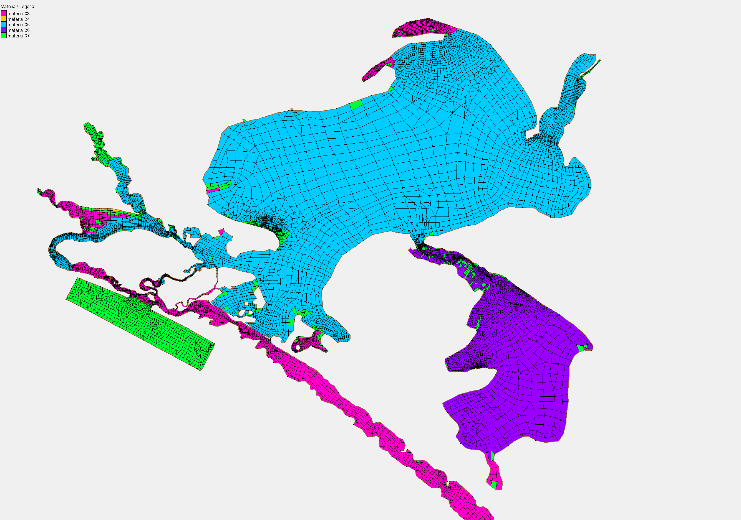
 |  |  |  |  |  |  |  |  |  |  |  |  |  |  | Fsed_oxy | 0.052 | mmol O /m2 /day
 |  |  |  |  |  |  |  |  |  |  |  |  |  |  | Fsed_doc | 0.022 | mmol C /m2 /day | -40 | -40 | -30 | -40 | -25 | -30 | -40 | -18 | -40 | -50 | -40 | -40 | -40
 |  |  |  |  |  |  |  |  |  |  |  |  |  |  | Fsed_don | 0.005 | mmol N /m2 /day | -1.5960677778 | -2.2081122222 | -13.079509889 | -15.770202444 | -17.063861778 | -20.282259889 | -15.666666667 | 0 | -15.770202444 | -25.173038111 | -15.770202444 | -6.4599254444 | -2.2081122222
 |  |  |  |  |  |  |  |  |  |  |  |  |  |  | Fsed_nh4 | 0.011 | mmol N /m2 /day | 3.5 | 3.5 | 3.5 | 3.5 | 3.5 | 3.5 | 3.5 | 1.5 | 3.5 | 3.5 | 3.5 | 3.5 | 3.5
 |  |  |  |  |  |  |  |  |  |  |  |  |  |  | Fsed_dop | 0.001 | mmol P /m2 /day | 0.33958888889 | 0.46981111111 | 2.7828744444 | 3.3553622222 | 3.6306088889 | 4.3153744444 | 3.3333333333 | 0 | 3.3553622222 | 5.3559655556 | 3.3553622222 | 1.3744522222 | 0.46981111111
 |  |  |  |  |  |  |  |  |  |  |  |  |  |  | Fsed_frp | 0.002 | mmol P /m2 /day | 0.08 | 0.08 | 0.08 | 0.08 | 0.08 | 0.08 | 0.08 | 0.05 | 0.08 | 0.8 | 0.08 | 0.08 | 0.08
 |  |  |  |  |  |  |  |  |  |  |  |  |  |  |  |  |  | 0.064521888889 | 0.089264111111 | 0.52874614444 | 0.63751882222 | 0.68981568889 | 0.81992114444 | 0.63333333333 | 0 | 0.63751882222 | 1.0176334556 | 0.63751882222 | 0.26114592222 | 0.089264111111
 |  |  |  |  |  |  |  |  |  |  |  |  |  |  |  |  |  | 0.1 | 0.1 | 0.1 | 0.1 | 0.1 | 0.1 | 0.1 | 0 | 0.1 | 0.1 | 0.1 | 0.1 | 0.1
 |  |  |  |  |  |  |  |  |  |  |  |  |  |  |  |  |  | 0.68402904762 | 0.94633380952 | 5.6055042381 | 6.7586581905 | 7.313083619 | 8.6923970952 | 6.7142857143 | 0 | 6.7586581905 | 10.788444905 | 6.7586581905 | 2.7685394762 | 0.94633380952
 |  |  |  |  |  |  |  |  |  |  |  |  |  |  |  |  |  | 0.01 | 0.01 | 0.01 | 0.01 | 0.01 | 0.01 | 0.01 | 0 | 0.01 | 0.01 | 0.01 | 0.01 | 0.01
 |  |  |  |  |  |  |  |  |  |  |  |  |  |  |  |  |  | 0.14553809524 | 0.20134761905 | 1.1926604762 | 1.438012381 | 1.5559752381 | 1.8494461905 | 1.4285714286 | 0 | 1.438012381 | 2.2954138095 | 1.438012381 | 0.58905095238 | 0.20134761905
 |  |  |  |  |  |  |  |  |  |  |  |  |  |  |  |  |  | 0.001 | 0.001 | 0.001 | 0.001 | 0.001 | 0.001 | 0.001 | 0 | 0.001 | 0.001 | 0.001 | 0.001 | 0.001
 |  |  |  |  |  |  |  |  |  |  |  |  |  |  |  |  |  | 0.027652238095 | 0.038256047619 | 0.22660549048 | 0.27322235238 | 0.29563529524 | 0.35139477619 | 0.27142857143 | 0 | 0.27322235238 | 0.43612862381 | 0.27322235238 | 0.11191968095 | 0.038256047619

